Question
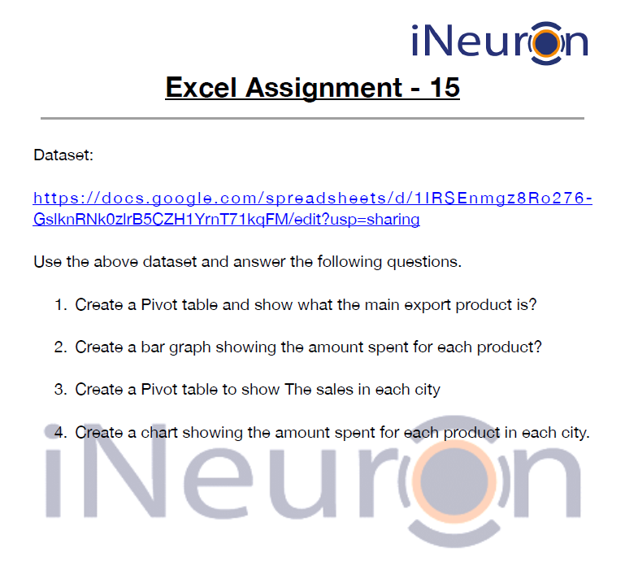

1. Pivot Table
Based on the data you, the main product appears to be "Scale", with a total of ₹3,40,295.00.
Products | Sum of Amount
Compass | ₹ 104,438.00
Pen | ₹ 57,079.00
Pencil | ₹ 191,257.00
Scale | ₹ 340,295.00
Shoe | ₹ 136,945.00
Socks | ₹ 57,281.00
Grand Total | ₹ 887,295.00

2. Bar Graph
Amount Spent on Products
 | Total
Compass | ₹ 104,438.00
Pen | ₹ 57,079.00
Pencil | ₹ 191,257.00
Scale | ₹ 340,295.00
Shoe | ₹ 136,945.00
Socks | ₹ 57,281.00

3. City_Sales
The table shows the total amount spent in each city.
City | Total Amount
Delhi | ₹ 135,715.00
Kerala | ₹ 134,701.00
Madhya Pradesh | ₹ 240,418.00
Tamilnadu | ₹ 62,392.00
Telangana | ₹ 113,760.00
Uttar Pradesh | ₹ 117,971.00
West Bengal | ₹ 82,338.00
Grand Total | ₹ 887,295.00

4. Amount + Products + Cities
Interpretation:
The above table is a pivot table that shows the amount spent on different products in different cities. The table has three sections: Row Labels, Column Labels, and Total Amount.
The Row Labels section displays the names of the products (Pen, Pencil, Scale, Shoe, and Socks), and the Column Labels section displays the names of the cities (Delhi, Kerala, Madhya Pradesh, Tamil Nadu, Telangana, Uttar Pradesh, and West Bengal). The Total Amount section displays the total amount spent on each product in each city.
For example, ₹21,744 was spent in Kerala, ₹30,932 was spent in Madhya Pradesh, and so on. The Grand Total row displays the overall amount spent on each product, and the Grand Total column displays the overall amount spent in each city.
Sum of Amount | Column Labels
Row Labels | Delhi | Kerala | Madhya Pradesh | Tamilnadu | Telangana | Uttar Pradesh | West Bengal | Grand Total
Compass | ₹ 2,256.00 | ₹ 21,744.00 | ₹ 30,932.00 | ₹ 12,010.00 | ₹ 8,680.00 | ₹ 8,887.00 | ₹ 19,929.00 | ₹ 104,438.00
Pen | ₹ 7,388.00 | ₹ 5,600.00 | ₹ 22,363.00 |  | ₹ 9,186.00 | ₹ 8,775.00 | ₹ 3,767.00 | ₹ 57,079.00
Pencil | ₹ 80,193.00 | ₹ 17,534.00 | ₹ 28,615.00 | ₹ 10,332.00 | ₹ 20,634.00 | ₹ 9,082.00 | ₹ 24,867.00 | ₹ 191,257.00
Scale | ₹ 36,094.00 | ₹ 42,908.00 | ₹ 95,061.00 | ₹ 40,050.00 | ₹ 52,721.00 | ₹ 39,686.00 | ₹ 33,775.00 | ₹ 340,295.00
Shoe | ₹ 9,104.00 | ₹ 41,815.00 | ₹ 56,284.00 |  | ₹ 8,106.00 | ₹ 21,636.00 |  | ₹ 136,945.00
Socks | ₹ 680.00 | ₹ 5,100.00 | ₹ 7,163.00 |  | ₹ 14,433.00 | ₹ 29,905.00 |  | ₹ 57,281.00
Grand Total | ₹ 135,715.00 | ₹ 134,701.00 | ₹ 240,418.00 | ₹ 62,392.00 | ₹ 113,760.00 | ₹ 117,971.00 | ₹ 82,338.00 | ₹ 887,295.00
Total Amount Spent in different Products & Cities
 | Delhi | Kerala | Madhya Pradesh | Tamilnadu | Telangana | Uttar Pradesh | West Bengal
Compass | ₹ 2,256.00 | ₹ 21,744.00 | ₹ 30,932.00 | ₹ 12,010.00 | ₹ 8,680.00 | ₹ 8,887.00 | ₹ 19,929.00
Pen | ₹ 7,388.00 | ₹ 5,600.00 | ₹ 22,363.00 |  | ₹ 9,186.00 | ₹ 8,775.00 | ₹ 3,767.00
Pencil | ₹ 80,193.00 | ₹ 17,534.00 | ₹ 28,615.00 | ₹ 10,332.00 | ₹ 20,634.00 | ₹ 9,082.00 | ₹ 24,867.00
Scale | ₹ 36,094.00 | ₹ 42,908.00 | ₹ 95,061.00 | ₹ 40,050.00 | ₹ 52,721.00 | ₹ 39,686.00 | ₹ 33,775.00
Shoe | ₹ 9,104.00 | ₹ 41,815.00 | ₹ 56,284.00 |  | ₹ 8,106.00 | ₹ 21,636.00
Socks | ₹ 680.00 | ₹ 5,100.00 | ₹ 7,163.00 |  | ₹ 14,433.00 | ₹ 29,905.00

